Hoja1
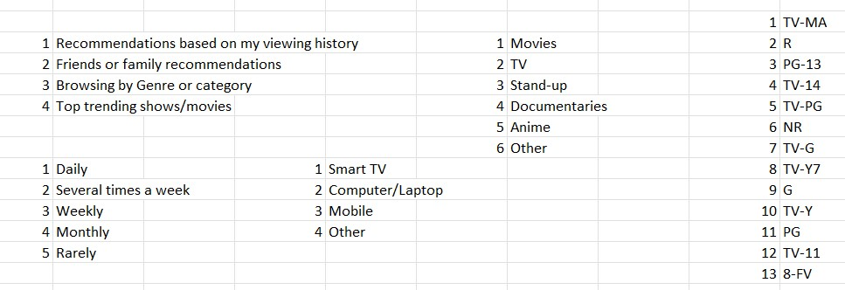

Rational Desc |  | Type
0 | Bad | 1 | Movie
1 | Good | 2 | TV Show

